FAI

Customer |  | PO # |  | Date Prepared | 1/9/2026 | First Article Report
Part Name | Leveling Bolt | Samples | 2 | Prepared by: | PK
Part Number | 10093-08732 | Inch or mm | Inch | Revision | 1
FAI | Type (Diameter Length Position etc.) | Nominal | + Tolerance | - Tolerance | High Limit | Low Limit | Method | Mfg. Sample 1 | Mfg. Sample 2
A | Diameter (Thread) | 0.630 | 0.060 | 0.060 | 0.690 | 0.570 | Caliper | 0.6205 | 0.6200
D | Length (Height) | 2.130 | 0.060 | 0.060 | 2.190 | 2.070 | Caliper | 2.0995 | 2.1030
E | Length (Height) | 6.010 | 0.060 | 0.060 | 6.070 | 5.950 | Caliper | 5.9865 | 5.9865
1 | Diameter (Washer) | 1.750 |  |  | 1.750 | 1.750 | Caliper | 1.7690 | 1.7670
2 | Diameter (Washer) | 0.690 |  |  | 0.690 | 0.690 | Caliper | - | -
3 | Thickness | 0.135 |  |  | 0.135 | 0.135 | Caliper | 0.1210 | 0.1205

Print Page 1
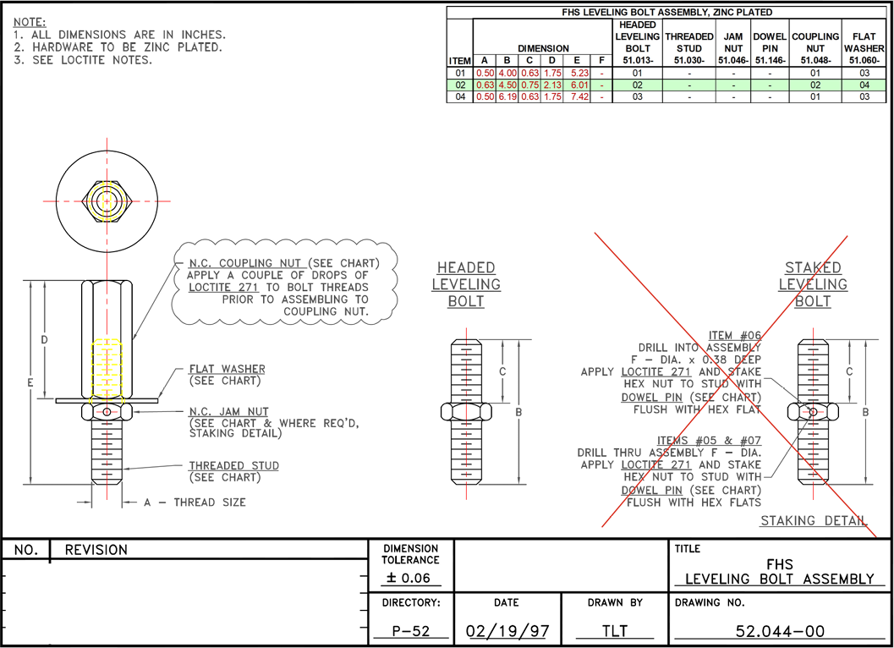

Print Page 2
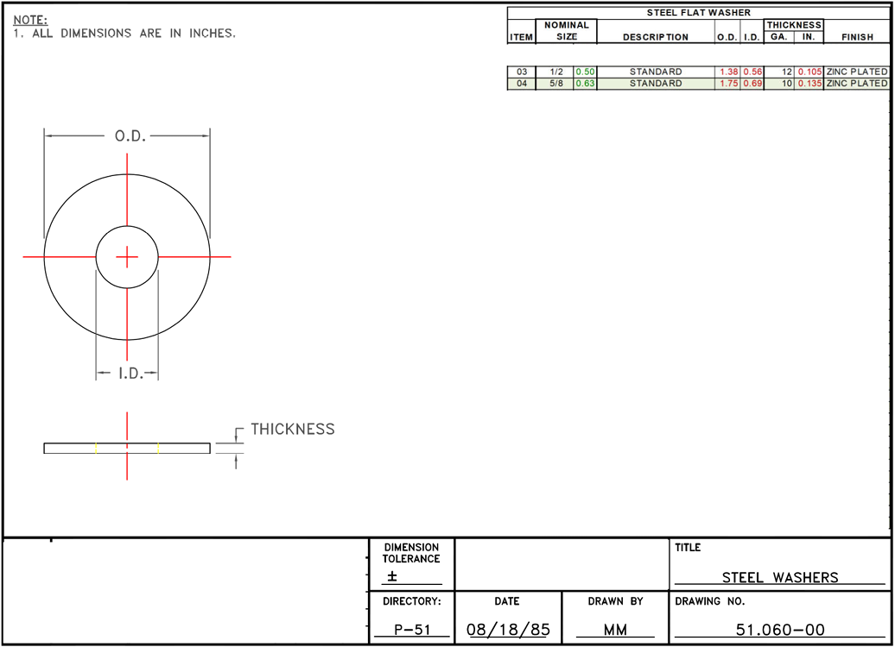

1

3
2

Print Page 3
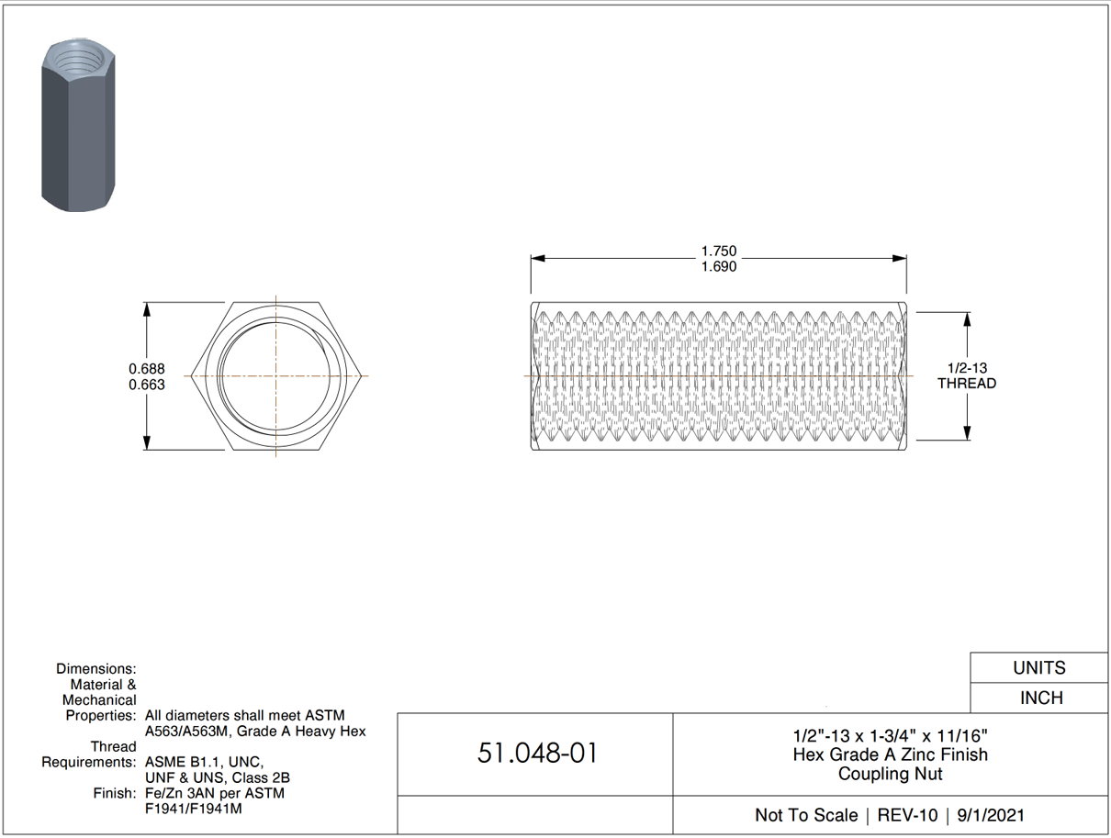

4

5

Print Page 4
